GUI CGI SPEC
Xmind
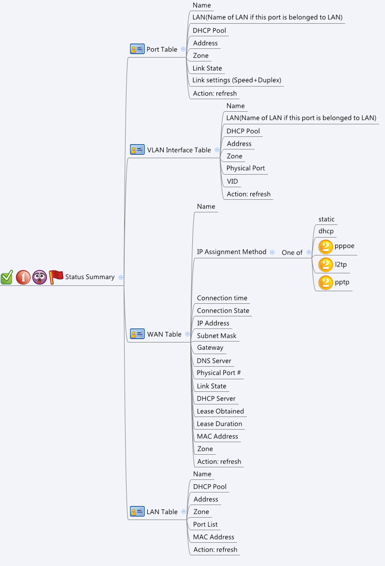

Behavior
# Auto refresh every 10 sec
# When press "Refresh" button, GET cgi again for new data
# Limitations: Max Port Table Size = 8
# Limitations: Max VLAN Table Size = 128
# Limitations: Max WAN Table Size = 6
# Limitations: Max LAN Table Size = 32
[UI Display Name] | [CGI Name] | [JSON Name] | [Description]
Port Table
N/A | statusSummary_port.cgi | guiPortIfTNum | Number of entries in the table
Name | statusSummary_port.cgi | guiPortIfT.name | String
LAN | statusSummary_port.cgi | guiPortIfT.lan | String
DHCP Pool | statusSummary_port.cgi | guiPortIfT.dhcpPool | String
Address | statusSummary_port.cgi | guiPortIfT.address | IPv4 address
Zone | statusSummary_port.cgi | guiPortIfT.zone | String
Link State | statusSummary_port.cgi | guiPortIfT.linkState | String
Link Settings | statusSummary_port.cgi | guiPortIfT.linkSettings | String

VLAN Interface Table
N/A | statusSummary_vlan.cgi | guiVlanIfTNum | Number of entries in the table
Name | statusSummary_vlan.cgi | guiVlanIfT.name | String
LAN | statusSummary_vlan.cgi | guiVlanIfT.lan | String
DHCP Pool | statusSummary_vlan.cgi | guiVlanIfT.dhcpPool | String
Address | statusSummary_vlan.cgi | guiVlanIfT.address | IPv4 address
Zone | statusSummary_vlan.cgi | guiVlanIfT.zone | String
Physical Port | statusSummary_vlan.cgi | guiVlanIfT.physicalPort | String
VID | statusSummary_vlan.cgi | guiVlanIfT.vid | String

WAN Table
N/A | statusSummary_wan.cgi | guiWanIfTNum | Number of entries in the table
Name | statusSummary_wan.cgi | guiWanIfT.name | String
IP Assignment Method | statusSummary_wan.cgi | guiWanIfT.protocol | String
Connection time | statusSummary_wan.cgi | guiWanIfT.connectionTime | String
Connection state | statusSummary_wan.cgi | guiWanIfT.connectionState | String
IP Address | statusSummary_wan.cgi | guiWanIfT.address | IPv4 address
Subnet Mask | statusSummary_wan.cgi | guiWanIfT.mask | IPv4 address
Gateway | statusSummary_wan.cgi | guiWanIfT.gateway | IPv4 address
DNS Server | statusSummary_wan.cgi | guiWanIfT.dns | IPv4 address
Physical Port | statusSummary_wan.cgi | guiWanIfT.physicalPort | String
Link State | statusSummary_wan.cgi | guiWanIfT.linkState | String
DHCP Server | statusSummary_wan.cgi | guiWanIfT.dhcpServer | IPv4 address
Lease Obtained | statusSummary_wan.cgi | guiWanIfT.leaseObtained | String
Lease Duration | statusSummary_wan.cgi | guiWanIfT.leaseDuration | String
MAC Address | statusSummary_wan.cgi | guiWanIfT.macAddress | MAC address
Zone | statusSummary_wan.cgi | guiWanIfT.zone | String

LAN Table
N/A | statusSummary_lan.cgi | guiLanIfTNum | Number of entries in the table
Name | statusSummary_lan.cgi | guiLanIfT.name | String
DHCP pool | statusSummary_lan.cgi | guiLanIfT.dhcpPool | String
Address | statusSummary_lan.cgi | guiLanIfT.address | IPv4 address
Zone | statusSummary_lan.cgi | guiLanIfT.zone | String
Port List | statusSummary_lan.cgi | guiLanIfT.portList | String
MAC Address | statusSummary_lan.cgi | guiLanIfT.macAddress | MAC address
JSON String
statusSummary_port.cgi
## GET only ##
{
"guiPortIfTNum": 2,
"guiPortIfT": [
{
"name": "GE1",
"lan": "DEFAULT",
"dhcpPool": "",
"address": "",
"zone": "LAN",
"linkState": "Up",
"linkSettings": "1000M / Full Duplex"
},
{
"name": "GE2",
"lan": "",
"dhcpPool": "GE2_DHCP_POOL",
"address": "192.168.122.1",
"zone": "LAN",
"linkState": "Down",
"linkSettings": ""
}
]
}

statusSummary_vlan.cgi
## GET only ##
{
"guiVlanIfTNum": 1,
"guiVlanIfT": [
{
"name": "GE3.3",
"lan": "DEFAULT",
"dhcpPool": "",
"address": "",
"zone": "LAN",
"physicalPort": "GE3",
"vid": "3"
}
]
}

statusSummary_wan.cgi
## GET only ##
{
"guiWanIfTNum": 1,
"guiWanIfT": [
{
"name": "WAN1",
"protocol": "DHCP",
"connectionTime": "00:01:02",
"connectionState": "Up",
"address": "5.5.5.5",
"mask": "255.255.255.0",
"gateway": "5.5.5.1",
"dns": "5.5.5.1",
"physicalPort": "GE8",
"linkState": "Up",
"dhcpServer": "5.5.5.1",
"leaseObtained": "02, Feb, 2012",
"leaseDuration": "12:34:56",
"macAddress": "22:33:01:02:99:09",
"zone": "WAN"
}
]
}

statusSummary_lan.cgi
## GET only ##
{
"guiLanIfTNum": 2,
"guiLanIfT": [
{
"name": "DEFAULT",
"dhcpPool": "DEFAULT_DHCP_POOL",
"address": "192.168.1.1",
"zone": "LAN",
"portList": "GE1;GE3.3",
"macAddress": "09:08:07:06:05:04"
},
{
"name": "GUEST",
"dhcpPool": "GUEST_DHCP_POOL",
"address": "192.168.2.1",
"zone": "LAN",
"portList": "",
"macAddress": "09:08:07:06:05:02"
}
]
}

